Sheet1
Large Ashiko: 464 Piece Pattern 3 |  |  |  | Segments per Ring: 16 |  |  | Ring Thickness: 0.875 |  |  | Angle: 11.25
 | Board |  | Segment | Diameter | Species
Row | Width | Length | S.E.L. | Outer | Maple | Lgth | Wenge | Lgth | Blood | Lgth | Cherr | Lgth | Yello | Lgth
1 | .00 | .0 | .000 | 7.1"
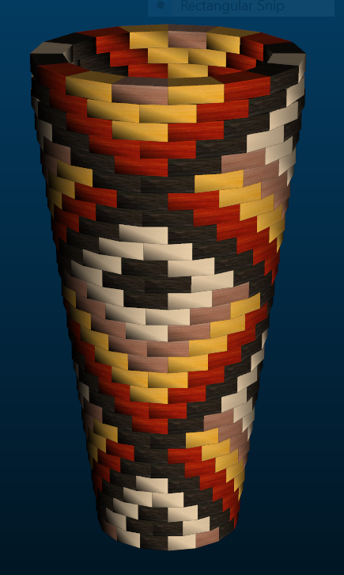
2 | 3.21 | 15.1 | 1.460 | 7.3" | 4 | 3.7 | 6 | 5.6 | 2 | 1.8 | 4 | 3.7
3 | 3.14 | 16.0 | 1.508 | 7.6" | 4 | 3.9 | 8 | 8 | 4 | 3.9
4 | 3.07 | 17.0 | 1.552 | 7.8" | 4 | 4.1 | 6 | 6.3 | 4 | 4.1 |  |  | 2 | 2
5 | 2.99 | 17.9 | 1.595 | 8" | 4 | 4.4 | 4 | 4.4 | 4 | 4.4 |  |  | 4 | 4.4
6 | 2.92 | 18.8 | 1.639 | 8.2" | 2 | 2.2 | 4 | 4.6 | 4 | 4.6 | 2 | 2.2 | 4 | 4.6
7 | 2.86 | 19.8 | 1.687 | 8.5" |  |  | 4 | 4.9 | 4 | 4.9 | 4 | 4.9 | 4 | 4.9
8 | 2.79 | 20.7 | 1.731 | 8.7" | 2 | 2.5 | 2 | 2.5 | 4 | 5.1 | 4 | 5.1 | 4 | 5.1
9 | 2.71 | 21.7 | 1.774 | 8.9" | 4 | 5.3 | 4 | 5.3 |  |  | 4 | 5.3 | 4 | 5.3
10 | 2.64 | 22.6 | 1.818 | 9.1" | 4 | 5.6 | 6 | 8.4 | 2 | 2.7 | 4 | 5.6
11 | 2.57 | 23.6 | 1.866 | 9.4" | 4 | 5.8 | 8 | 11.7 | 4 | 5.8
12 | 2.50 | 24.5 | 1.910 | 9.6" | 4 | 6 | 6 | 9.1 | 4 | 6 |  |  | 2 | 3
13 | 2.43 | 25.4 | 1.953 | 9.8" | 4 | 6.3 | 4 | 6.3 | 4 | 6.3 |  |  | 4 | 6.3
14 | 2.35 | 26.4 | 1.997 | 10" | 2 | 3.2 | 4 | 6.5 | 4 | 6.5 | 2 | 3.2 | 4 | 6.5
15 | 2.29 | 27.3 | 2.041 | 10.3" |  |  | 4 | 6.7 | 4 | 6.7 | 4 | 6.7 | 4 | 6.7
16 | 2.22 | 28.3 | 2.089 | 10.5" | 1 | 1.6 | 3 | 5.2 | 4 | 7 | 4 | 7 | 4 | 7
17 | 2.14 | 29.2 | 2.132 | 10.7" | 4 | 7.2 | 4 | 7.2 |  |  | 4 | 7.2 | 4 | 7.2
18 | 2.07 | 30.2 | 2.176 | 10.9" | 4 | 7.4 | 6 | 11.2 | 2 | 3.7 | 4 | 7.4
19 | 1.99 | 31.1 | 2.220 | 11.2" | 4 | 7.7 | 8 | 15.5 | 4 | 7.7
20 | 1.93 | 32.0 | 2.268 | 11.4" | 4 | 7.9 | 6 | 11.9 | 4 | 7.9 |  |  | 2 | 3.9
21 | 1.86 | 33.0 | 2.311 | 11.6" | 4 | 8.1 | 4 | 8.1 | 4 | 8.1 |  |  | 4 | 8.1
22 | 1.79 | 33.9 | 2.355 | 11.8" | 2 | 4.1 | 4 | 8.4 | 4 | 8.4 | 2 | 4.1 | 4 | 8.4
23 | 1.71 | 34.8 | 2.399 | 12.1" |  |  | 4 | 8.6 | 4 | 8.6 | 4 | 8.6 | 4 | 8.6
24 | 1.65 | 35.8 | 2.447 | 12.3" | 2 | 4.4 | 2 | 4.4 | 4 | 8.9 | 4 | 8.9 | 4 | 8.9
25 | 1.57 | 36.8 | 2.490 | 12.5" | 4 | 9.1 | 4 | 9.1 |  |  | 4 | 9.1 | 4 | 9.1
26 | 1.51 | 37.7 | 2.534 | 12.7" | 4 | 9.3 | 6 | 14 | 2 | 4.6 | 4 | 9.3
27 | 1.44 | 38.6 | 2.582 | 13" | 4 | 9.6 | 8 | 19.3 | 4 | 9.6
28 | 1.36 | 39.6 | 2.626 | 13.2" | 4 | 9.8 | 6 | 14.8 | 4 | 9.8 |  |  | 2 | 4.8
29 | 1.38 | 39.5 | 2.626 | 13.2" | 4 | 9.8 | 4 | 9.8 | 4 | 9.8 |  |  | 4 | 9.8
30 | 1.58 | 38.9 | 2.626 | 13.2" | 2 | 4.8 | 4 | 9.6 | 4 | 9.6 | 2 | 4.8 | 4 | 9.6
30 |  |  |  |  | 89 | 153.8 | 143 | 247.4 | 96 | 166.5 | 60 | 103.1 | 76 | 134.2

